Pictures
Progress Report - Pictures
7/24 - Baha's new growth
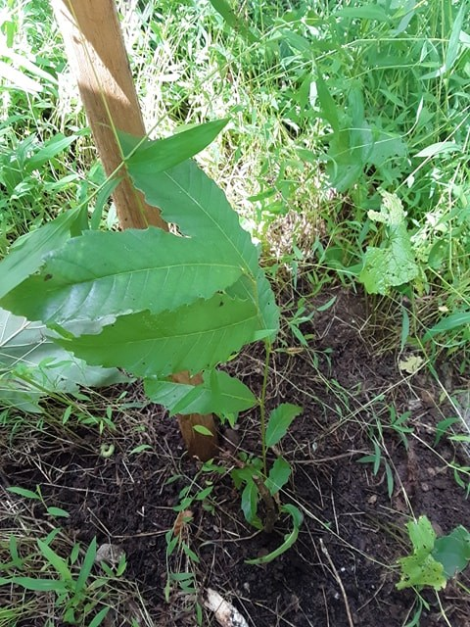

7/24/19 - Active blight on Otto which caused stem weakness & snapping
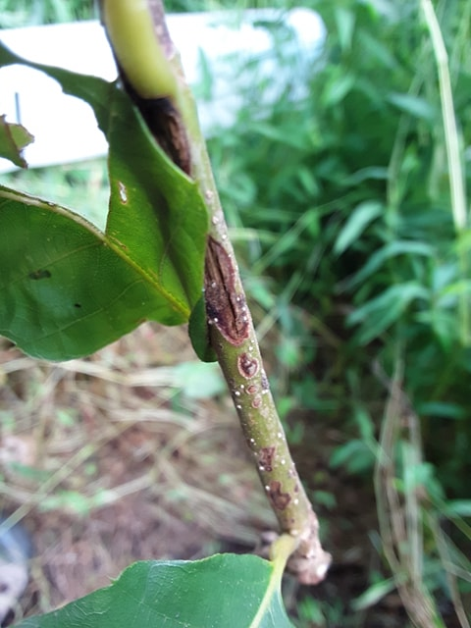
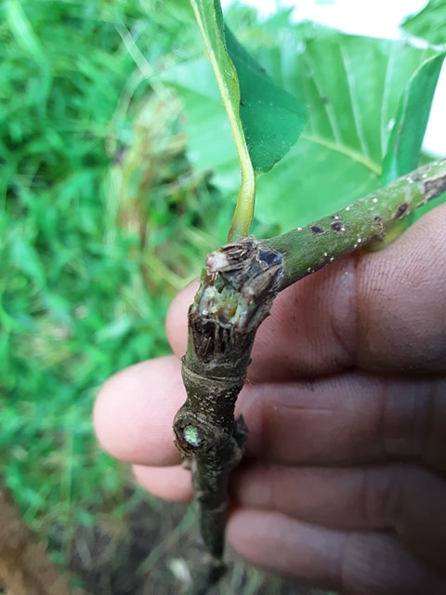

7/24/19 - caterpillar evidence | Possible blight on young stem
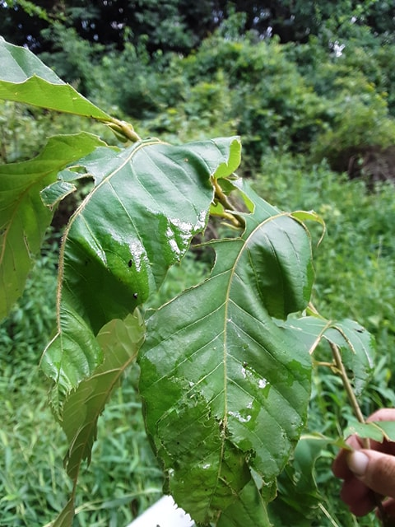
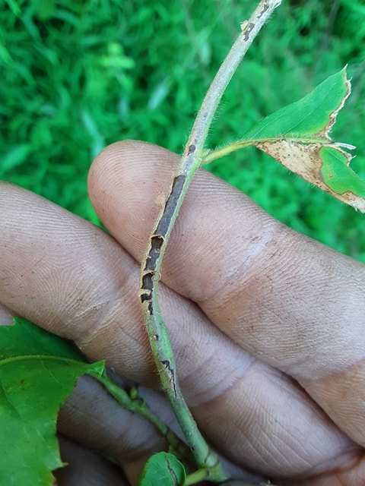

7/24/19 - A stem trying to heal around blight canker
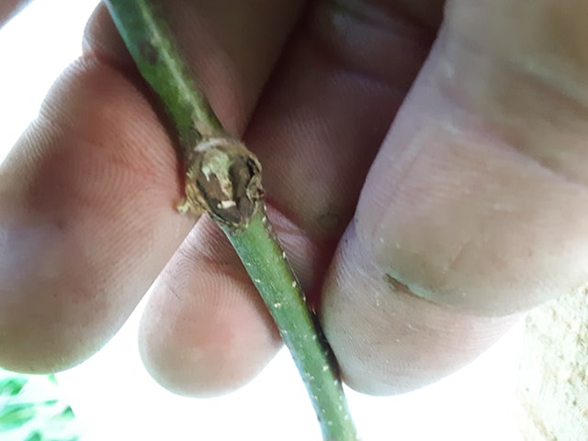

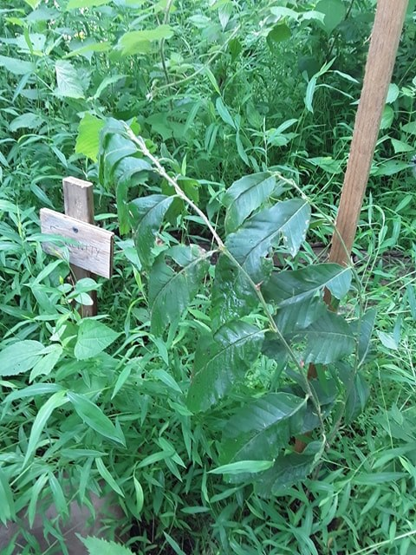
7/24/19 - healthy double-leader tree

